Variables and Flowchart
Input/Output Variable
Name
Phone Number | Hidden Variables
Login
Password
OTP
Home Address
Phone Number
email address |  | Online Order Mechanism
Number of ordered items |  | The flowchart is the brief expression of processes which includes selection of items, Add to cart and billings
Billing Amount |  | For the better view the PDF file is placed.
Billing ID
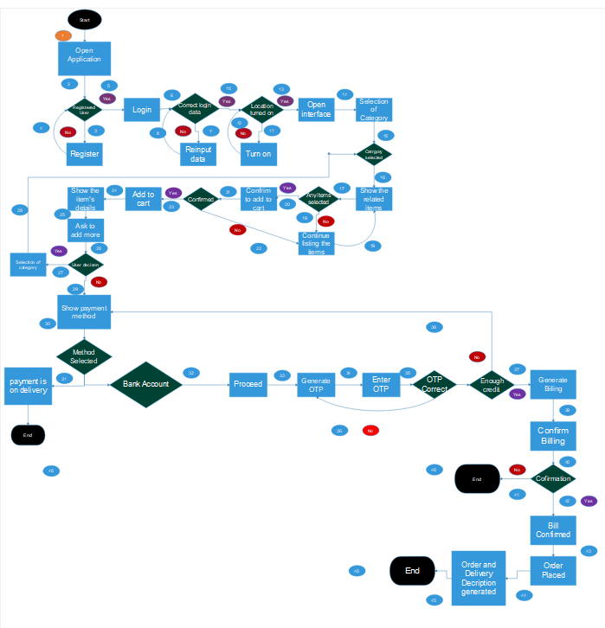
Items ID

